迴歸推導(pool) (4)
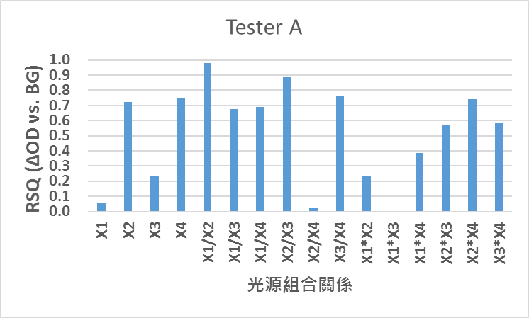
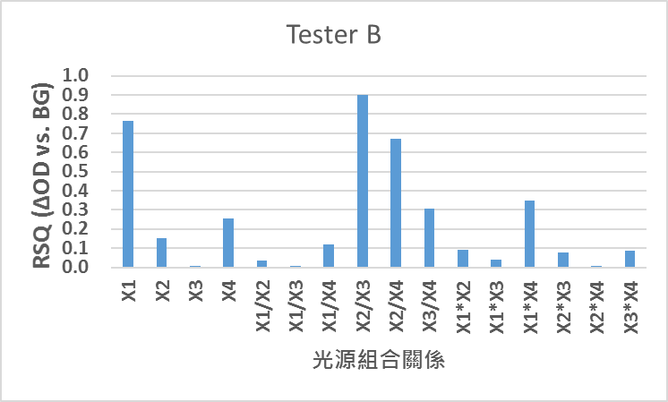
 |  | 940 X1 | 970 X2 | 1200 X3 | 1300 X4
DC | Blood glucose | X1 | X2 | X3 | X4 | X1/X2 | X1/X3 | X1/X4 | X2/X3 | X2/X4 | X3/X4 | X1*X2 | X1*X3 | X1*X4 | X2*X3 | X2*X4 | X3*X4
Tester A | 307 | 0.778 | 0.618 | 0.351 | 0.457 | 1.259 | 2.220 | 1.702 | 1.763 | 1.352 | 0.767 | 0.481 | 0.273 | 0.356 | 0.217 | 0.283 | 0.160
Tester B | 267 | 1.051 | 0.888 | 0.468 | 0.585 | 1.184 | 2.247 | 1.798 | 1.897 | 1.519 | 0.800 | 0.933 | 0.492 | 0.614 | 0.415 | 0.519 | 0.273
Tester C | 222 | 0.600 | 0.582 | 0.379 | 0.586 | 1.032 | 1.583 | 1.024 | 1.534 | 0.992 | 0.647 | 0.349 | 0.228 | 0.352 | 0.221 | 0.341 | 0.222
Tester B | 370 | 0.900 | 1.014 | 0.898 | 1.203 | 0.888 | 1.003 | 0.749 | 1.129 | 0.843 | 0.747 | 0.913 | 0.808 | 1.083 | 0.910 | 1.219 | 1.080
Tester A | 222 | 0.809 | 0.680 | 0.281 | 0.428 | 1.190 | 2.873 | 1.889 | 2.415 | 1.588 | 0.657 | 0.550 | 0.228 | 0.346 | 0.191 | 0.291 | 0.121
Tester C | 275 | 0.511 | 0.843 | 0.516 | 0.574 | 0.606 | 0.990 | 0.890 | 1.633 | 1.468 | 0.899 | 0.431 | 0.264 | 0.294 | 0.436 | 0.484 | 0.297
Tester C | 290 | 0.824 | 0.529 | 0.470 | 0.656 | 1.556 | 1.753 | 1.255 | 1.126 | 0.807 | 0.716 | 0.436 | 0.387 | 0.541 | 0.249 | 0.347 | 0.308
Tester A | 321 | 1.605 | 0.582 | 0.489 | 0.749 | 2.758 | 3.280 | 2.144 | 1.189 | 0.777 | 0.654 | 0.934 | 0.785 | 1.201 | 0.285 | 0.436 | 0.366
Tester B | 217 | 1.498 | 1.593 | 0.801 | 0.861 | 0.940 | 1.870 | 1.739 | 1.990 | 1.850 | 0.930 | 2.386 | 1.199 | 1.290 | 1.276 | 1.372 | 0.690
Tester B | 324 | 1.180 | 1.067 | 0.851 | 0.657 | 1.106 | 1.387 | 1.796 | 1.255 | 1.624 | 1.295 | 1.259 | 1.004 | 0.775 | 0.908 | 0.701 | 0.559
Tester A | 220 | 0.590 | 0.687 | 0.475 | 0.524 | 0.859 | 1.244 | 1.126 | 1.448 | 1.311 | 0.905 | 0.406 | 0.280 | 0.309 | 0.326 | 0.360 | 0.249
Tester C | 207 | 0.582 | 0.489 | 0.624 | 0.523 | 1.189 | 0.932 | 1.111 | 0.784 | 0.935 | 1.193 | 0.285 | 0.363 | 0.304 | 0.305 | 0.256 | 0.327

RSQ |  | 0.096 | 0.004 | 0.152 | 0.321 | 0.080 | 0.002 | 0.001 | 0.110 | 0.099 | 0.008 | 0.005 | 0.124 | 0.196 | 0.046 | 0.081 | 0.274

AC | Blood glucose | X1 | X2 | X3 | X4 | X1/X2 | X1/X3 | X1/X4 | X2/X3 | X2/X4 | X3/X4 | X1*X2 | X1*X3 | X1*X4 | X2*X3 | X2*X4 | X3*X4
Tester A | 307 | 0.016 | 0.009 | 0.003 | 0.004 | 1.823 | 5.644 | 4.134 | 3.096 | 2.268 | 0.732 | 0.000 | 0.000 | 0.000 | 0.000 | 0.000 | 0.000
Tester B | 267 | 0.030 | 0.016 | 0.003 | 0.005 | 1.803 | 10.184 | 5.904 | 5.648 | 3.274 | 0.580 | 0.000 | 0.000 | 0.000 | 0.000 | 0.000 | 0.000
Tester C | 222 | 0.023 | 0.023 | 0.006 | 0.011 | 1.038 | 3.908 | 2.035 | 3.765 | 1.960 | 0.521 | 0.001 | 0.000 | 0.000 | 0.000 | 0.000 | 0.000
Tester B | 370 | 0.027 | 0.034 | 0.012 | 0.020 | 0.796 | 2.242 | 1.359 | 2.818 | 1.708 | 0.606 | 0.001 | 0.000 | 0.001 | 0.000 | 0.001 | 0.000
Tester A | 222 | 0.021 | 0.022 | 0.003 | 0.006 | 0.937 | 6.663 | 3.491 | 7.114 | 3.727 | 0.524 | 0.000 | 0.000 | 0.000 | 0.000 | 0.000 | 0.000
Tester C | 275 | 0.023 | 0.027 | 0.011 | 0.011 | 0.859 | 2.101 | 2.182 | 2.446 | 2.541 | 1.039 | 0.001 | 0.000 | 0.000 | 0.000 | 0.000 | 0.000
Tester C | 290 | 0.023 | 0.019 | 0.008 | 0.014 | 1.223 | 2.857 | 1.603 | 2.336 | 1.311 | 0.561 | 0.000 | 0.000 | 0.000 | 0.000 | 0.000 | 0.000
Tester A | 321 | 0.067 | 0.014 | 0.006 | 0.007 | 4.688 | 11.002 | 9.629 | 2.347 | 2.054 | 0.875 | 0.001 | 0.000 | 0.000 | 0.000 | 0.000 | 0.000
Tester B | 217 | 0.041 | 0.077 | 0.011 | 0.012 | 0.535 | 3.871 | 3.543 | 7.241 | 6.627 | 0.915 | 0.003 | 0.000 | 0.000 | 0.001 | 0.001 | 0.000
Tester B | 324 | 0.033 | 0.027 | 0.007 | 0.008 | 1.241 | 4.530 | 4.041 | 3.651 | 3.256 | 0.892 | 0.001 | 0.000 | 0.000 | 0.000 | 0.000 | 0.000
Tester A | 220 | 0.019 | 0.027 | 0.007 | 0.011 | 0.724 | 2.796 | 1.777 | 3.860 | 2.452 | 0.635 | 0.001 | 0.000 | 0.000 | 0.000 | 0.000 | 0.000
Tester C | 207 | 0.026 | 0.021 | 0.013 | 0.013 | 1.268 | 2.041 | 1.991 | 1.609 | 1.570 | 0.975 | 0.001 | 0.000 | 0.000 | 0.000 | 0.000 | 0.000

RSQ |  | 0.063 | 0.064 | 0.001 | 0.023 | 0.131 | 0.025 | 0.064 | 0.170 | 0.117 | 0.000 | 0.026 | 0.020 | 0.079 | 0.022 | 0.002 | 0.031

OD | Blood glucose | X1 | X2 | X3 | X4 | X1/X2 | X1/X3 | X1/X4 | X2/X3 | X2/X4 | X3/X4 | X1*X2 | X1*X3 | X1*X4 | X2*X3 | X2*X4 | X3*X4
Tester A | 307 | 0.021 | 0.015 | 0.008 | 0.009 | 1.447 | 2.542 | 2.429 | 1.756 | 1.678 | 0.955 | 0.000 | 0.000 | 0.000 | 0.000 | 0.000 | 0.000
Tester B | 267 | 0.028 | 0.019 | 0.006 | 0.009 | 1.523 | 4.532 | 3.283 | 2.977 | 2.156 | 0.724 | 0.001 | 0.000 | 0.000 | 0.000 | 0.000 | 0.000
Tester C | 222 | 0.039 | 0.039 | 0.016 | 0.020 | 1.006 | 2.469 | 1.987 | 2.455 | 1.976 | 0.805 | 0.002 | 0.001 | 0.001 | 0.001 | 0.001 | 0.000
Tester B | 370 | 0.030 | 0.033 | 0.013 | 0.016 | 0.896 | 2.235 | 1.816 | 2.495 | 2.026 | 0.812 | 0.001 | 0.000 | 0.000 | 0.000 | 0.001 | 0.000
Tester A | 222 | 0.026 | 0.033 | 0.011 | 0.014 | 0.787 | 2.319 | 1.848 | 2.946 | 2.348 | 0.797 | 0.001 | 0.000 | 0.000 | 0.000 | 0.000 | 0.000
Tester C | 275 | 0.045 | 0.032 | 0.021 | 0.018 | 1.417 | 2.123 | 2.453 | 1.498 | 1.731 | 1.155 | 0.001 | 0.001 | 0.001 | 0.001 | 0.001 | 0.000
Tester C | 290 | 0.028 | 0.035 | 0.017 | 0.022 | 0.786 | 1.630 | 1.277 | 2.074 | 1.625 | 0.784 | 0.001 | 0.000 | 0.001 | 0.001 | 0.001 | 0.000
Tester A | 321 | 0.042 | 0.024 | 0.012 | 0.009 | 1.700 | 3.354 | 4.491 | 1.973 | 2.642 | 1.339 | 0.001 | 0.001 | 0.000 | 0.000 | 0.000 | 0.000
Tester B | 217 | 0.028 | 0.048 | 0.013 | 0.014 | 0.569 | 2.070 | 2.037 | 3.639 | 3.582 | 0.984 | 0.001 | 0.000 | 0.000 | 0.001 | 0.001 | 0.000
Tester B | 324 | 0.028 | 0.025 | 0.009 | 0.013 | 1.122 | 3.265 | 2.250 | 2.910 | 2.005 | 0.689 | 0.001 | 0.000 | 0.000 | 0.000 | 0.000 | 0.000
Tester A | 220 | 0.033 | 0.039 | 0.015 | 0.021 | 0.844 | 2.248 | 1.578 | 2.665 | 1.870 | 0.702 | 0.001 | 0.000 | 0.001 | 0.001 | 0.001 | 0.000
Tester C | 207 | 0.045 | 0.042 | 0.021 | 0.025 | 1.067 | 2.191 | 1.792 | 2.054 | 1.680 | 0.818 | 0.002 | 0.001 | 0.001 | 0.001 | 0.001 | 0.001
Tester A
RSQ |  | 0.045 | 0.342 | 0.102 | 0.179 | 0.155 | 0.047 | 0.102 | 0.090 | 0.033 | 0.043 | 0.293 | 0.091 | 0.183 | 0.274 | 0.313 | 0.163
Slope |  | -3.212746131E-05 | -0.00010814972832 | -2.8128858944E-05 | -4.3725224494E-05 | 0.0025924116973 | 0.0031873733164 | 0.0051750825172 | -0.0034420556353 | -0.0018764986119 | 0.00076577927579 | -4.5886831425E-06 | -1.4903217752E-06 | -2.249536091E-06 | -2.3631490831E-06 | -3.0635266919E-06 | -1.1075436674E-06

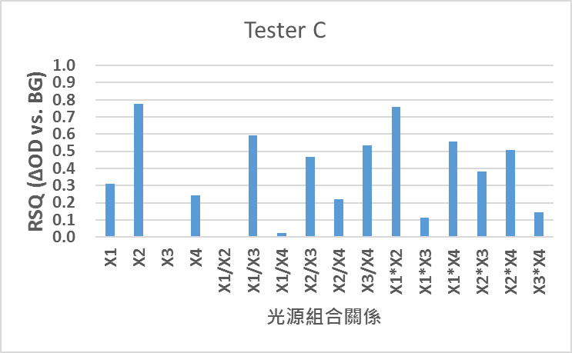
Tester C

